Test Result
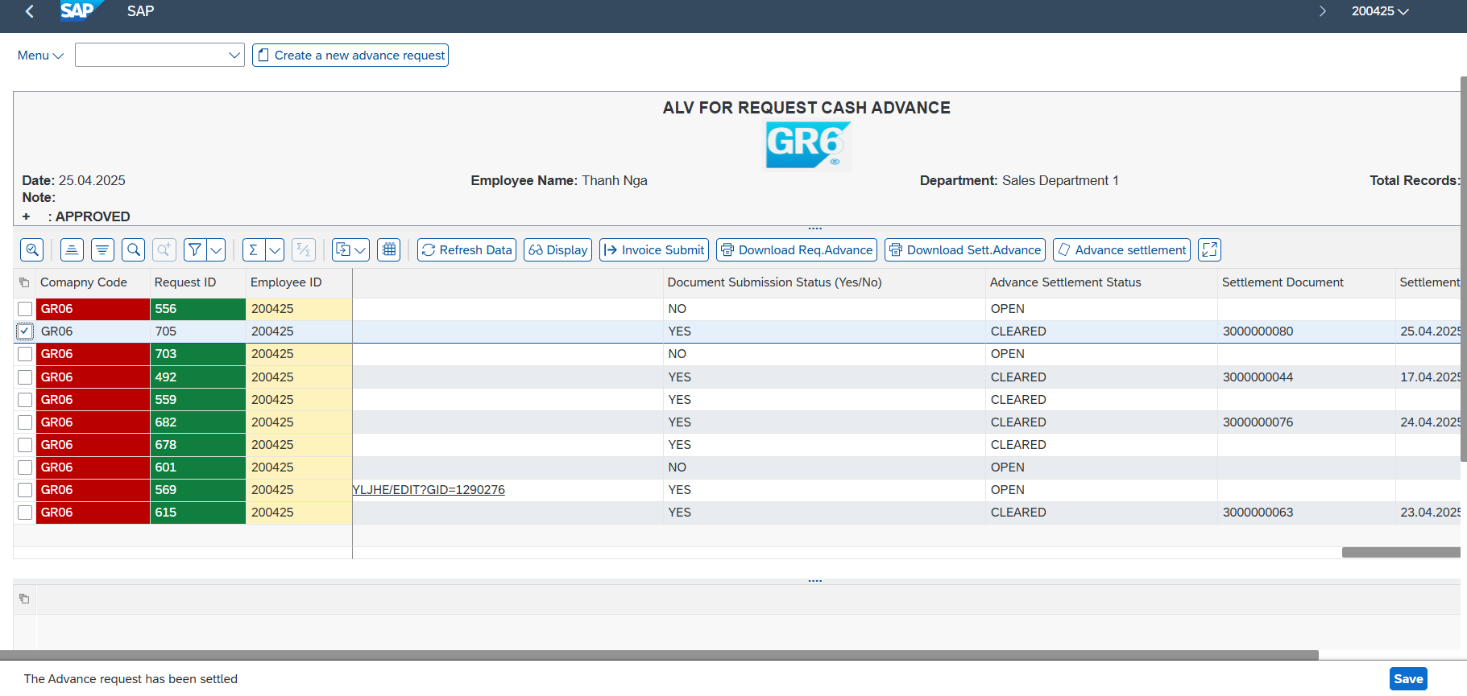
1. Possible Cases that may occur in an advance request process

Test Case |  |  |  | Test Data |  | Created/Updated by
1.1 Check Employee Information before Create an advance request |  |  |  | Company Code: GR06 Employee ID: 200425 Position Department |  | Nguyễn Thịnh Khang Trần Phú Nguyên

 | Evidence

 | Step 1.1 : Check Employee Information before Create an advance request

Test Case |  |  |  | Test Data |  | Created/Updated by
1.2 Employee creates an advance request form |  |  |  | Company code : GR06 Employee ID = 200425 Advance reason: Đi tiếp khách Description: Đi tiếp khách Amount: 10.000.000 Payment Method: T Currency: VND Document Date: 25/04/2025 Payment Due Date: 25/04/2025 |  | Nguyễn Thịnh Khang Trần Phú Nguyên

Evidence

Step 1.2 : Employee creates an advance request form
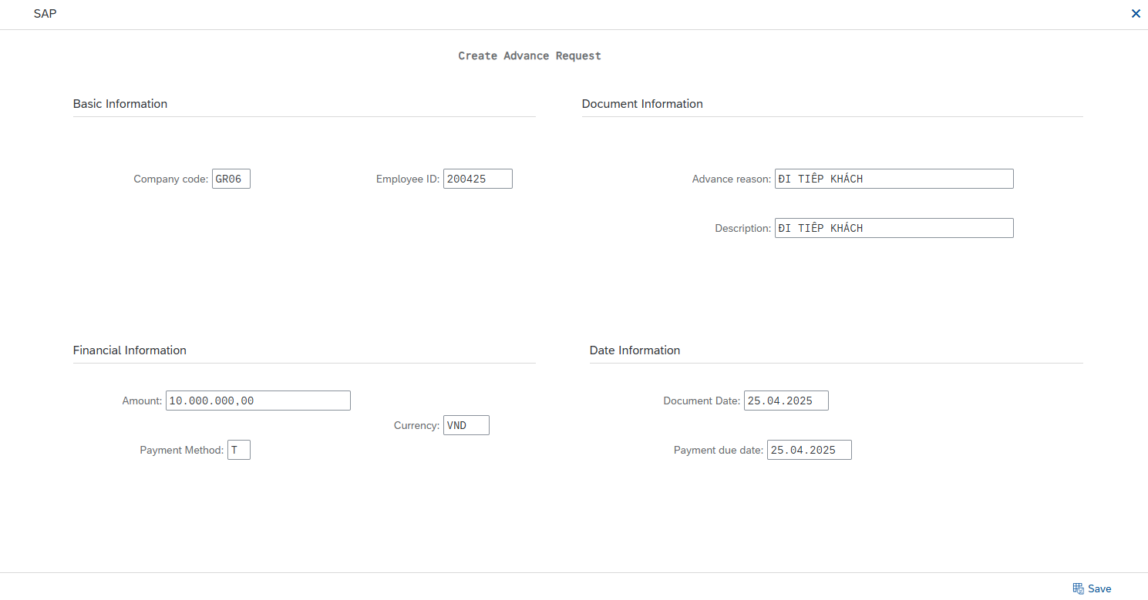

Test Case |  |  |  | Test Data |  | Created/Updated by
1.3 Approver Level 1 (Manager) – Aprrove or Reject the advance request form |  |  |  | User ID = 200427 Reject |  | Nguyễn Thịnh Khang Trần Phú Nguyên

 | Evidence

 | Step 1.3 Approver Level 1 (Manager) – Aprrove or Reject the advance request form

Test Case |  |  |  | Test Data |  | Created/Updated by
1.4 Employee creates an advance request form |  |  |  | Company code : GR06 Employee ID = 200425 Advance reason: Đi tiếp khách Description:Đi ăn ở nhà hàng và bàn chuyện hợp đồng với đối tác Amount: 10.000.000 Payment Method: T Currency: VND Document Date: 25/04/2025 Payment Due Date: 25/04/2025 |  | Nguyễn Thịnh Khang Trần Phú Nguyên

 |  | Evidence

 |  | Step 1.4 : Employee creates an advance request form

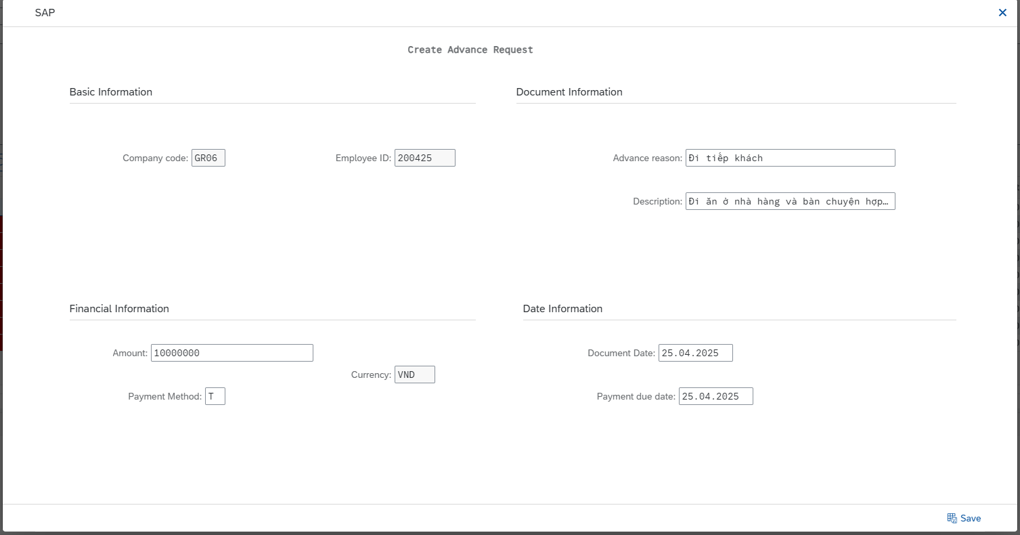

Test Case |  |  |  | Test Data |  | Created/Updated by
1.5 Approver Level 1 (Manager) – Aprrove or Reject the advance request form |  |  |  | User ID = 200427 Approve |  | Nguyễn Thịnh Khang Trần Phú Nguyên

 | Evidence

 | Step 1.5 Approver Level 1 (Manager) – Aprrove or Reject the advance request form

Test Case |  |  |  | Test Data |  | Created/Updated by
1.6 Approver Level 2 (Director) – Approve or Reject the advance request form |  |  |  | User ID = 200428 Approve |  | Nguyễn Thịnh Khang Trần Phú Nguyên

 | Evidence

 | Step 1.6 Approver Level 2 (Director) – Approve or Reject the advance request form

Test Case |  |  |  | Test Data |  | Created/Updated by
1.7 Accounting has processed the advance payment request submitted by the employee (referencing an external process) |  |  |  | User ID = 200423 The payment for the approved advance request |  | Nguyễn Thịnh Khang Trần Phú Nguyên

 | Evidence

 | Step 1.7 Accounting has processed the advance payment request submitted by the employee (referencing an external process)

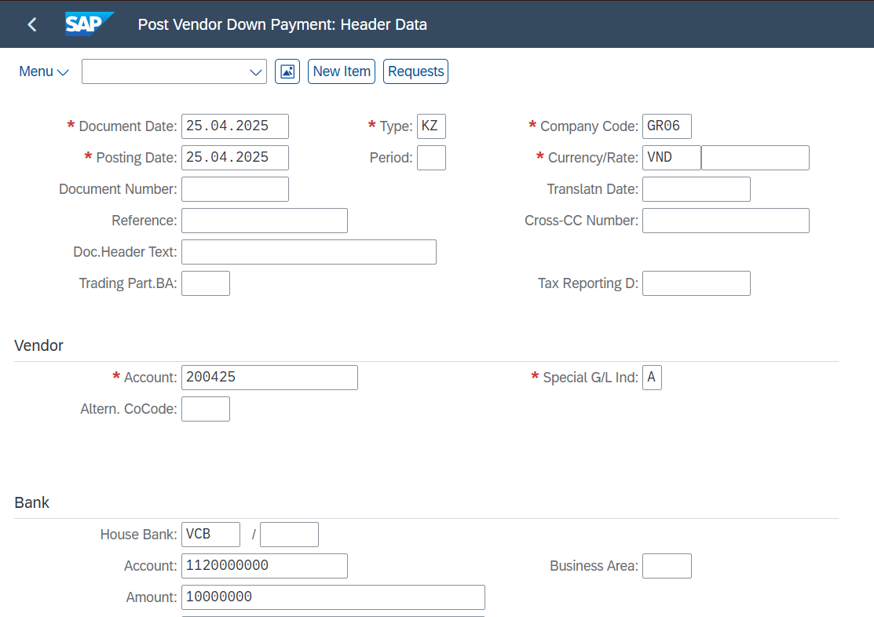

Test Case |  |  |  | Test Data |  | Created/Updated by
1.8 The employee records incurred expenses after completing company-related duties funded by the advance payment |  |  |  | USER 200425 input Data Invoice 1 |  | Nguyễn Thịnh Khang Trần Phú Nguyên

 | Evidence

 | Step 1.8 The employee records incurred expenses after completing company-related duties funded by the advance payment

Test Case |  |  |  | Test Data |  | Created/Updated by
1.9 The accountant reviews the invoice submitted by the employee and is responsible for verifying and Aprrove or Reject the document. |  |  |  | User ID = 200423 Reject 1 Invoice and Approve 1 Invoice |  | Nguyễn Thịnh Khang Trần Phú Nguyên

 | Evidence

 | Step 1.9 The accountant reviews the invoice submitted by the employee and is responsible for verifying and Aprrove or Reject the document.

Test Case |  |  |  | Test Data |  | Created/Updated by
1.10 The employee records the expense that the accountant previously rejected the invoice. |  |  |  | USER 200425 input Data Invoice 2 |  | Nguyễn Thịnh Khang Trần Phú Nguyên

 | Evidence

 | Step 1.10 The employee records the expense that the accountant previously rejected the invoice.

Test Case |  |  |  | Test Data |  | Created/Updated by
1.11 The accountant reviews the invoice submitted by the employee and is responsible for verifying and Aprrove or Reject the document. |  |  |  | User ID = 200423 Approve and Posting |  | Nguyễn Thịnh Khang Trần Phú Nguyên

 |  | Evidence

 |  | Step 1.11 The accountant reviews the invoice submitted by the employee and is responsible for verifying and Aprrove or Reject the document.

Test Case |  |  |  | Test Data |  | Created/Updated by
1.12 Employees are required to review invoices approved by accountants and use the settlement tool to settle their advance payments. |  |  |  | User ID = 200425 Advance Settlement |  | Nguyễn Thịnh Khang Trần Phú Nguyên

 | Evidence

 | Step 1.12 Employees are required to review invoices approved by accountants and use the settlement tool to settle their advance payments.

Test Case |  |  |  | Test Data |  | Created/Updated by
1.13 Print Employee Advance Settlement Report & Advance Request and Submit to Accountant |  |  |  | User ID = 200425 Download Advance Settlement Report & Advance Request |  | Nguyễn Thịnh Khang Trần Phú Nguyên

 | Evidence

 | Step 1.13 Print Employee Advance Settlement Report & Advance Request and Submit to Accountant

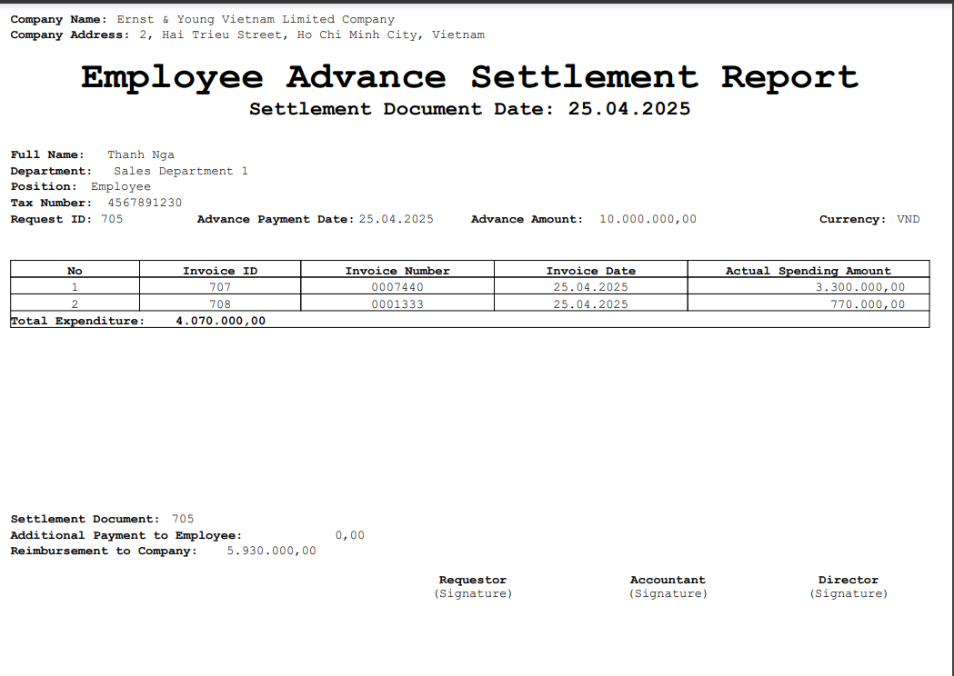
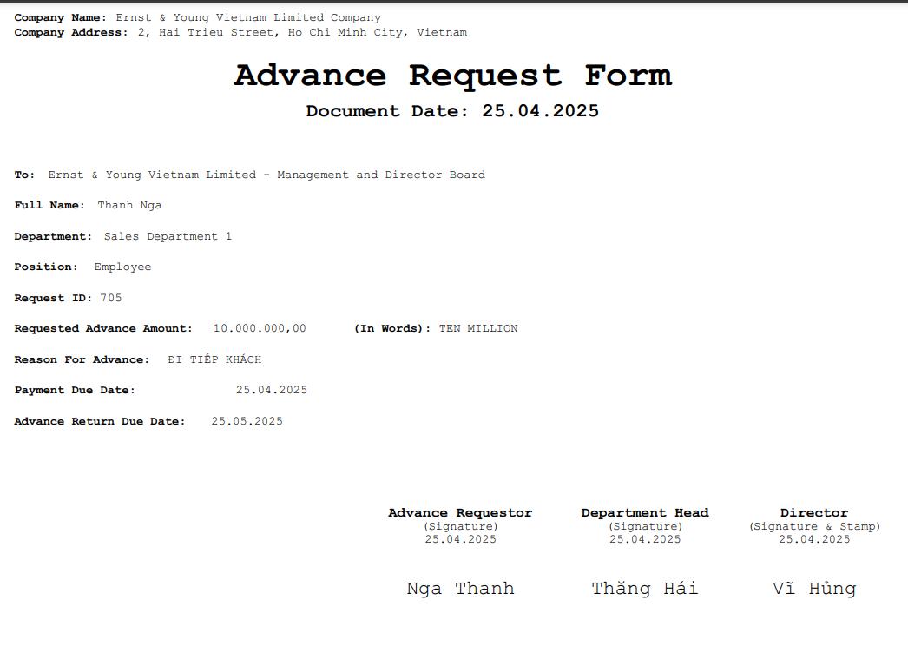

Test Case |  |  |  | Test Data |  | Created/Updated by
1.13 Reimbursement to Company (referencing an external process) |  |  |  | User ID = 200423 Return the remaining advance amount to the company. |  | Nguyễn Thịnh Khang Trần Phú Nguyên

 | Evidence

 | Step 1.13 Employees are required to review invoices approved by accountants and use the settlement tool to settle their advance payments.

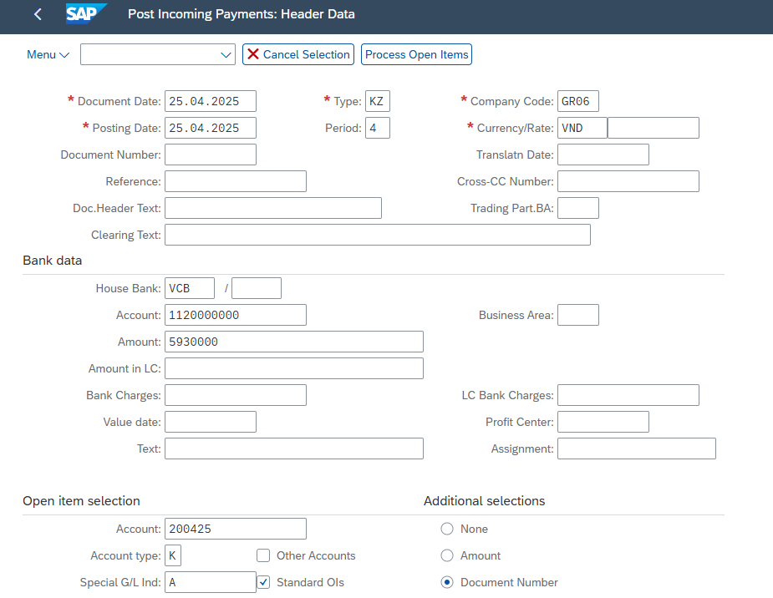

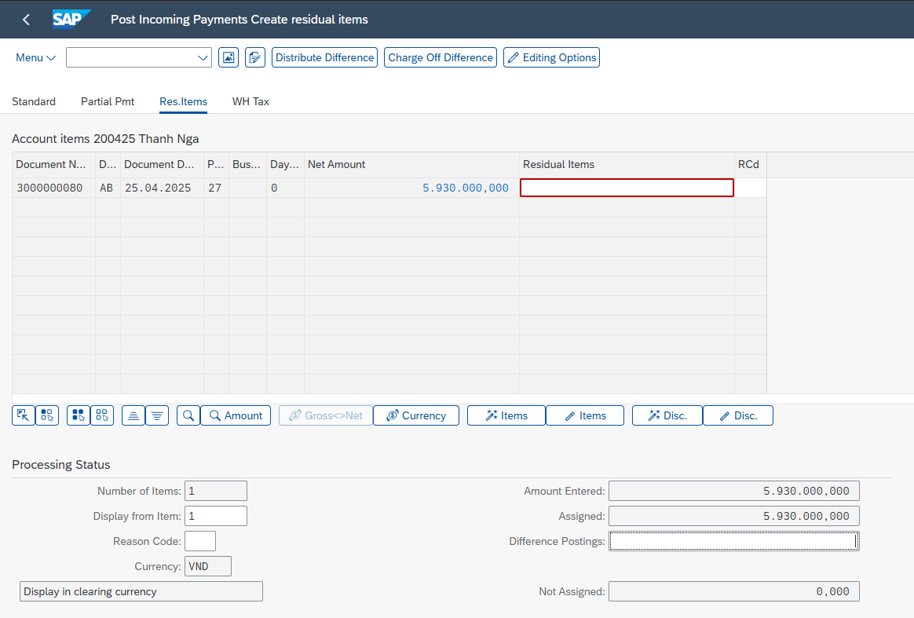

Test Case |  |  |  | Test Data |  | Created/Updated by
2.1 When selecting 'Invoice submit' on the ALV General screen |  |  |  | User ID = 200425 Not selected Request line Click Invoice Submit |  | Nguyễn Thịnh Khang Trần Phú Nguyên

 | Evidence

 | Step 2.1 When selecting 'Invoice submit' on the ALV General screen

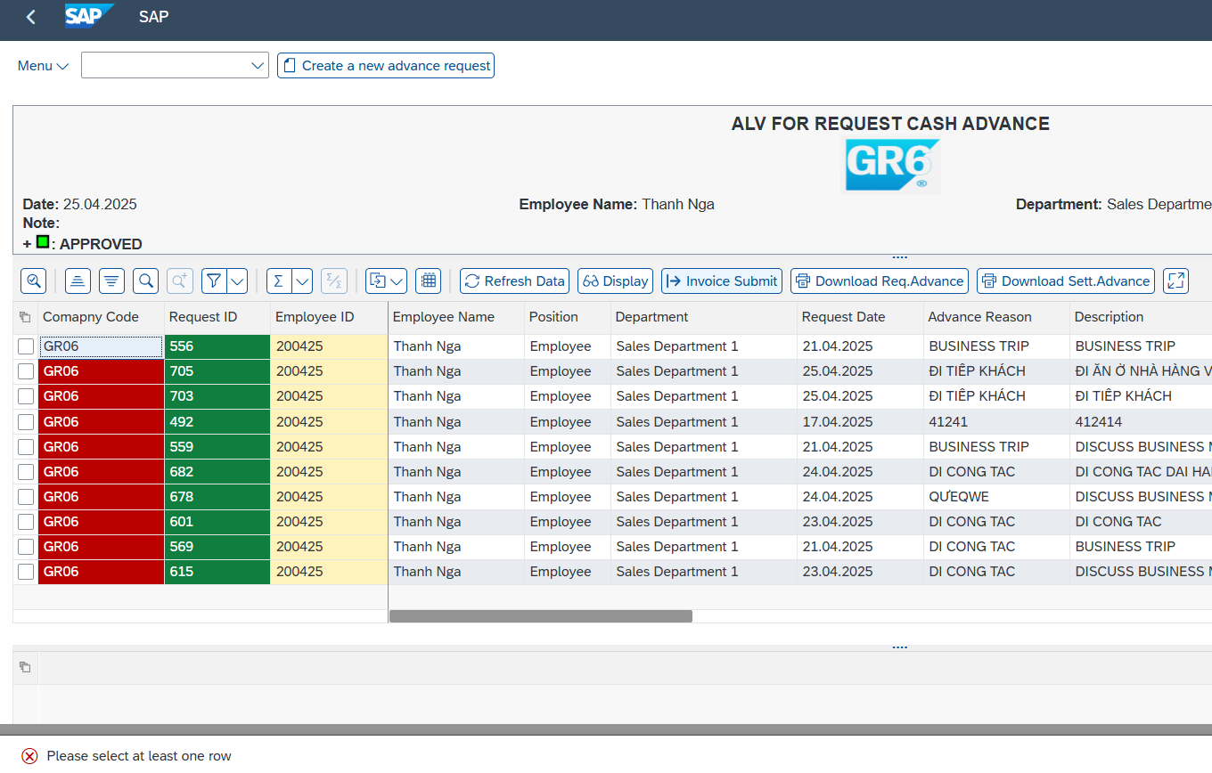

Test Case |  |  |  | Test Data |  | Created/Updated by
2.2 When selecting 'advance settlement' on the ALV General screen |  |  |  | User ID = 200425 Advance Settlement |  | Nguyễn Thịnh Khang Trần Phú Nguyên

 | Evidence

 | Step 2.2 When selecting 'advance settlement' on the ALV General screen

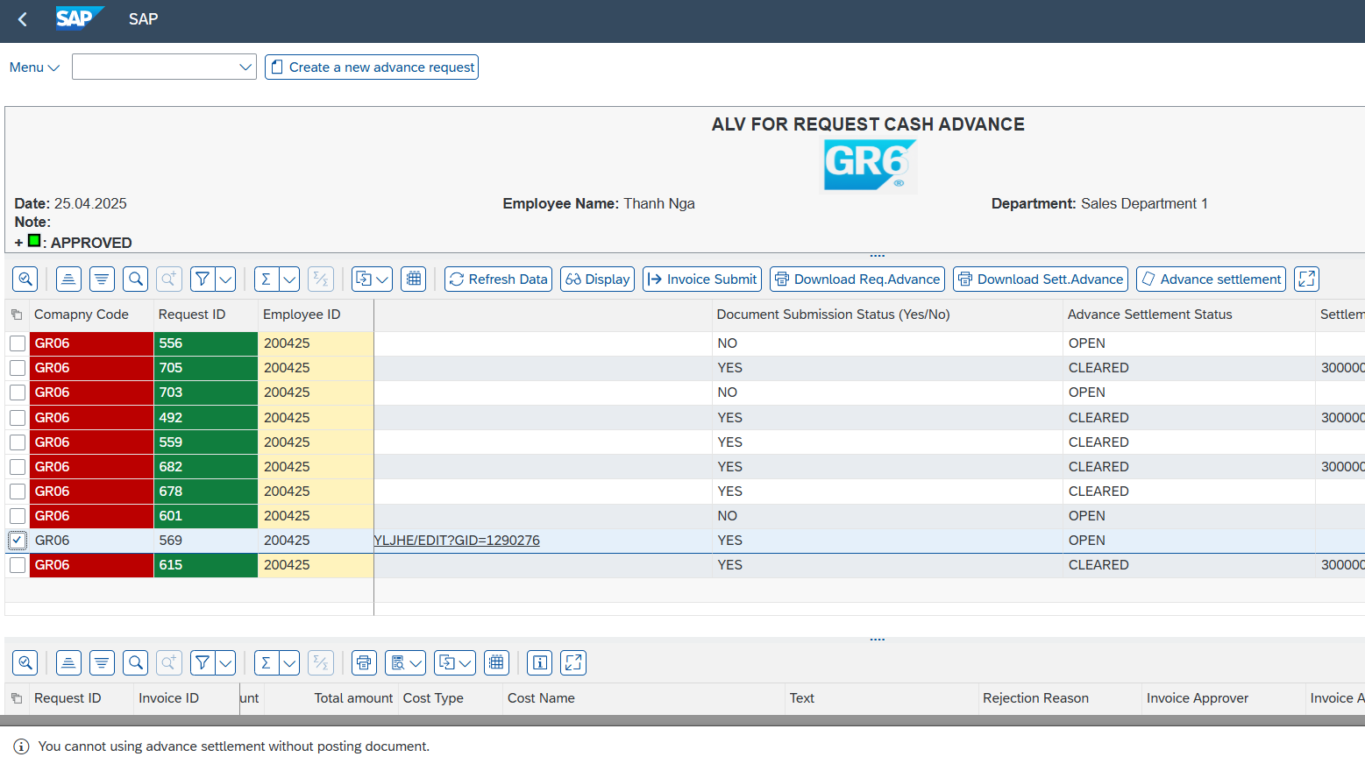

Test Case |  |  |  | Test Data |  | Created/Updated by
2.3 When selecting 'Display' on the ALV General screen |  |  |  | User ID = 200425 Chose one row then click Display |  | Nguyễn Thịnh Khang Trần Phú Nguyên

 |  |  | Evidence

 |  |  | Step 2.3 When selecting 'Display' on the ALV General screen

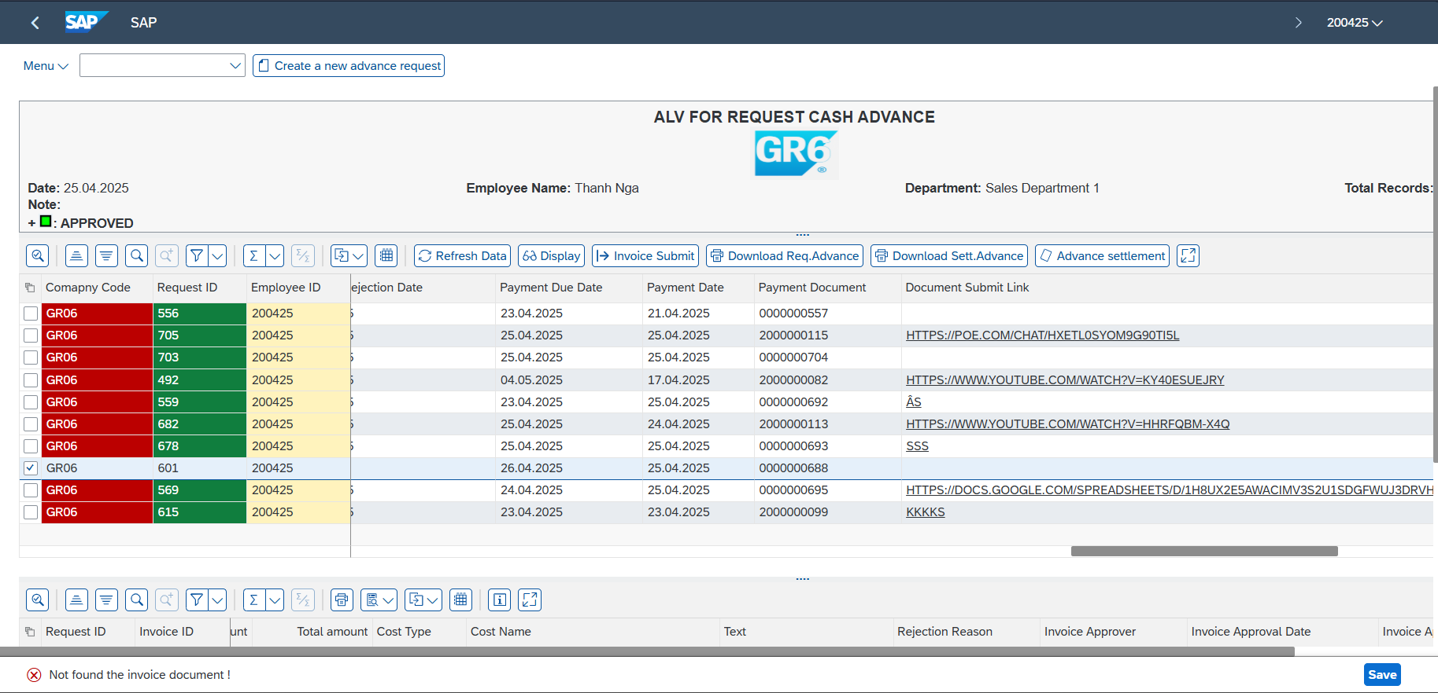

Test Case |  |  |  | Test Data |  | Created/Updated by
2.4 When selecting 'Download Advance request' on the ALV General screen |  |  |  | User ID = 200425 Chose one row then click Download Advance request |  | Nguyễn Thịnh Khang Trần Phú Nguyên

 | Evidence

 | Step 2.4 When selecting 'Download Advance request' on the ALV General screen

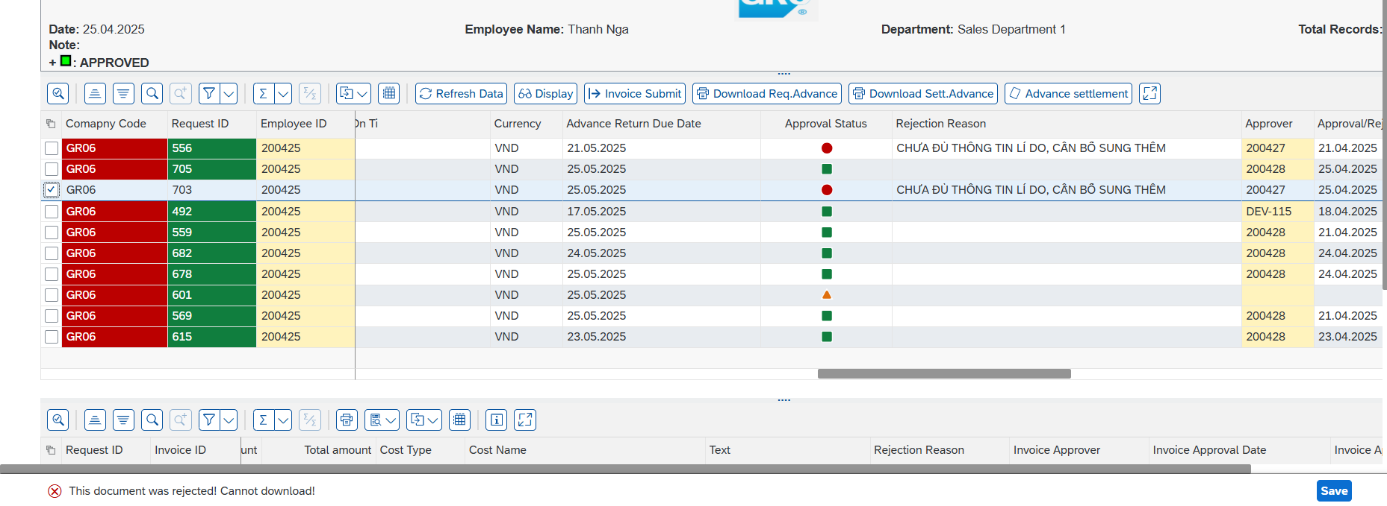

 | Test Case |  |  |  | Test Data |  | Created/Updated by
 | 2.5 When selecting 'Download Advance Settlement' on the ALV General screen |  |  |  | User ID = 200425 Chose one row then click Download Advance Settlement |  | Nguyễn Thịnh Khang Trần Phú Nguyên

 | Evidence

 | Step 2.5 When selecting 'Download Advance Settlement' on the ALV General screen

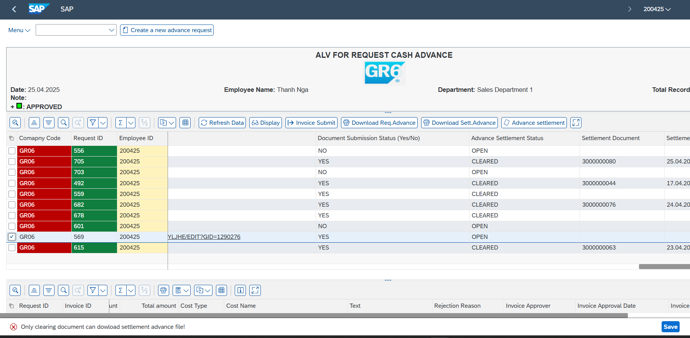

 | Test Case |  |  |  | Test Data |  | Created/Updated by
 | 2.6 When create The advance amount exceeds the limit. |  |  |  | Company code : GR06 Employee ID = 200425 Advance reason: Đi tiếp khách Description: Đi tiếp khách Amount: 50.000.000 Payment Method: T Currency: VND Document Date: 25/04/2025 Payment Due Date: 25/04/2025 |  | Nguyễn Thịnh Khang Trần Phú Nguyên

 | Evidence

 | Step 2.6 When create The advance amount exceeds the limit.

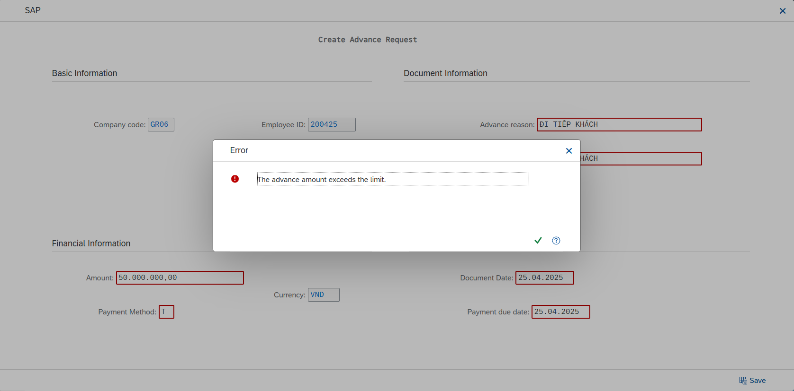

Test Case |  |  |  | Test Data |  | Created/Updated by
2.7 When selecting 'Advance settlement' on the ALV General screen |  |  |  | User ID = 200425 Advance Settlement |  | Nguyễn Thịnh Khang Trần Phú Nguyên

 | Evidence

 | Step 2.7 When selecting 'advance settlement' on the ALV General screen

